charts
Company name | Average of Total Speed.1
ACURA | 226.19230769
ASTON MARTIN | 330 |  |  |  |  | top 5 cars | Sum of Total Speed.1 | Sum of Performance(0 - 100 )KM/H.1 | Sum of Torque Nm | Sum of Horsepower
AUDI | 260.47619048 |  |  |  |  | 911 CARRERA 4 | 586 | 8.6 | 900 | 758
BENTLEY | 318 |  |  |  |  | MACAN GTS | 544 | 8.8 | 1100 | 868
BMW | 240.46341463 |  |  |  |  | MISTRAL | 580 | 14.9 | 1860 | 1725
BUGATTI | 420 |  |  |  |  | PANAMERA 4S | 578 | 8.5 | 1100 | 883
CADILLAC | 227.25 |  |  |  |  | PANAMERA PLATINUM EDITION | 535 | 11 | 900 | 655
CHEVROLET | 200.20689655 |  |  |  |  | Grand Total | 2823 | 51.8 | 5860 | 4889
what is the average speed for every company
FERRARI | 331
FORD | 204.12195122
GMC | 190.66037736
HONDA | 209.71428571
HYUNDAI | 200
JAGUAR LAND ROVER | 250.07692308
JEEP | 190.47368421
KIA | 206.76056338
LAMBORGHINI | 334
MAHINDRA | 173.33333333
MARUTI SUZUKI | 166.66666667
MAZDA | 183.70930233
MERCEDES | 250
MITSUBISHI | 178.71428571
NISSAN | 202.3081761
PEUGEOT | 204.90384615
PORSCHE | 278.46875
ROLLS ROYCE | 250
TATA MOTORS | 153.86206897
TESLA | 261.5
TOYOTA | 195.38636364
VOLKSWAGEN | 203.99074074
VOLVO | 135.83333333
Grand Total | 217.70050761

top 5 cars | Sum of CC/Battery Capacity.1
1112 FH | 13000
1112 FH16 | 16100 |  |  |  |  |  |  | Row Labels | Max of Seats | Min of Seats
1112 FM | 12800 |  |  |  |  |  |  | ACURA | 7 | 2
1112 FMX | 13000 |  |  |  |  |  |  | ASTON MARTIN | 5 | 2
1112 VHD | 12800 |  |  |  |  |  |  | AUDI | 7 | 2
Grand Total | 67700 |  |  |  |  |  |  | BENTLEY | 4 | 4
 |  |  |  |  |  |  |  | BMW | 5 | 2
 |  |  |  |  |  |  |  | BUGATTI | 2 | 2
 |  |  |  |  |  |  |  | CADILLAC | 7 | 5
 |  |  |  |  |  |  |  | CHEVROLET | 8 | 2
 |  |  |  |  |  |  |  | FERRARI | 4 | 2
 |  |  |  |  |  |  |  | FORD | 8 | 2
 |  |  |  |  |  |  |  | GMC | 8 | 3
 |  |  |  |  |  |  |  | HONDA | 8 | 5
 |  |  |  |  |  |  |  | HYUNDAI | 7 | 4
 |  |  |  |  |  |  |  | JAGUAR LAND ROVER | 5 | 2
 |  |  |  |  |  |  |  | JEEP | 8 | 4
 |  |  |  |  |  |  |  | KIA | 8 | 5
 |  |  |  |  |  |  |  | LAMBORGHINI | 5 | 2
 |  |  |  |  |  |  |  | MAHINDRA | 7 | 4
 |  |  |  |  |  |  |  | MARUTI SUZUKI | 5 | 5
 |  |  |  |  |  |  |  | MAZDA | 7 | 1
 |  |  |  |  |  |  |  | MERCEDES | 5 | 4
 |  |  |  |  |  |  |  | MITSUBISHI | 7 | 4
 |  |  |  |  |  |  |  | NISSAN | 15 | 2
 |  |  |  |  |  |  |  | PEUGEOT | 7 | 3
 |  |  |  |  |  |  |  | PORSCHE | 5 | 1
 |  |  |  |  |  |  |  | ROLLS ROYCE | 5 | 4
 |  |  |  |  |  |  |  | TATA MOTORS | 7 | 4
 |  |  |  |  |  |  |  | TESLA | 7 | 4
 |  |  |  |  |  |  |  | TOYOTA | 7 | 2
 |  |  |  |  |  |  |  | VOLKSWAGEN | 9 | 2
 |  |  |  |  |  |  |  | VOLVO | 7 | 2
 |  |  |  |  |  |  |  | Grand Total | 15 | 1

 |  | Row Labels | Sum of Performance(0 - 100 )KM/H.1
 |  | MAZDA | 896.1
 |  | NISSAN | 1356.9
 |  | VOLKSWAGEN | 922.8
 |  | Grand Total | 3175.8

 |  | BUGATTI has the highest Speed=500 km/h | NISSAN has the highest capacity of battery=434628 cc | NISSAN has the highest horse power=2488 | MAZDA has the highest performance=35 km/h

 | Row Labels | Max of Total Speed.1 | Sum of CC/Battery Capacity.1 | Max of Horsepower2 | Max of Performance(0 - 100 )KM/H.1
 | ACURA | 307 | 73472 | 600 | 6.6
 | BENTLEY | 318 | 3996 | 550 | 4
 | CHEVROLET | 318 | 218964 | 650 | 11
 | ASTON MARTIN | 402 | 55883 | 1160 | 4.5
 | AUDI | 330 | 59439 | 610 | 7.3
 | BMW | 341 | 94150 | 710 | 12.2
 | BUGATTI | 500 | 79930 | 1850 | 2.5
 | CADILLAC | 320 | 65000 | 682 | 7.6
 | FERRARI | 340 | 40382 | 963 | 3.4
 | FORD | 348 | 117700 | 760 | 13
 | GMC | 210 | 231765 | 625 | 9.6
 | HONDA | 272 | 13454 | 315 | 10.2
 | HYUNDAI | 240 | 42451 | 320 | 12.2
 | JAGUAR LAND ROVER | 320 | 97403 | 575 | 9
 | JEEP | 210 | 53256 | 600 | 8.7
 | KIA | 270 | 146994 | 577 | 10.5
 | LAMBORGHINI | 356 | 134300 | 819 | 3.6
 | MAHINDRA | 180 | 6355 | 155 | 11.2
 | MARUTI SUZUKI | 180 | 3856 | 103 | 12.2
 | MAZDA | 320 | 161726 | 700 | 35
 | MERCEDES | 250 | 59813 | 630 | 6.5
 | MITSUBISHI | 240 | 110316 | 291 | 16
 | NISSAN | 354 | 434628 | 2488 | 18.5
 | PEUGEOT | 250 | 76497 | 360 | 14
 | PORSCHE | 340 | 253852 | 750 | 7.3
 | ROLLS ROYCE | 250 | 200115 | 624 | 5.3
 | TATA MOTORS | 180 | 35633 | 168 | 29
 | TESLA | 402 | 1099 | 1288 | 5.8
 | TOYOTA | 250 | 109731 | 437 | 14.8
 | VOLKSWAGEN | 250 | 169922 | 462 | 23
 | VOLVO | 250 | 112007 | 750 | 22
 | Grand Total | 500 | 3264089 | 2488 | 35
 |  | 500 | 434628 | 2488 | 35

intro
Welcome to our Dashboard

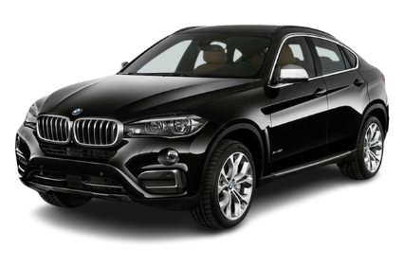
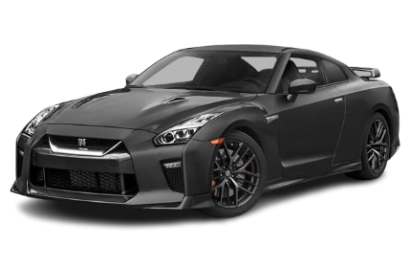
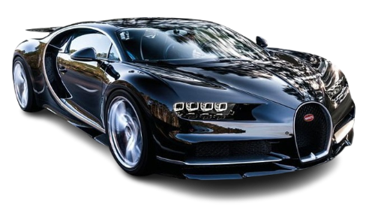

NISSAN has the highest capacity of battery=434628 cc
NISSAN has the highest horse power=2488
BUGATTI has the highest Speed=500 km/h
MAZDA has the highest performance=35 km/h

Dashboard
CAR Dashboard


what is the average speed for every company?
 | Total
ACURA | 226.19230769
ASTON MARTIN | 330
AUDI | 260.47619048
BENTLEY | 318
BMW | 240.46341463
BUGATTI | 420
CADILLAC | 227.25
CHEVROLET | 200.20689655
FERRARI | 331.11111111
FORD | 204.12195122
GMC | 190.66037736
HONDA | 209.71428571
HYUNDAI | 200
JAGUAR LAND ROVER | 250.07692308
JEEP | 190.47368421
KIA | 206.76056338
LAMBORGHINI | 334
MAHINDRA | 173.33333333
MARUTI SUZUKI | 166.66666667
MAZDA | 183.70930233
MERCEDES | 250
MITSUBISHI | 178.71428571
NISSAN | 202.3081761
PEUGEOT | 204.90384615
PORSCHE | 278.46875
ROLLS ROYCE | 250
TATA MOTORS | 153.86206897
TESLA | 261.5
TOYOTA | 195.38636364
VOLKSWAGEN | 203.99074074
VOLVO | 135.83333333
Top 3 compaines in terms of performance
 | Total
MAZDA | 896.1
NISSAN | 1356.9
VOLKSWAGEN | 922.8

Max and Min of seats for every car
 | Max of Seats | Min of Seats
ACURA | 7 | 2
ASTON MARTIN | 5 | 2
AUDI | 7 | 2
BENTLEY | 4 | 4
BMW | 5 | 2
BUGATTI | 2 | 2
CADILLAC | 7 | 5
CHEVROLET | 8 | 2
FERRARI | 4 | 2
FORD | 8 | 2
GMC | 8 | 3
HONDA | 8 | 5
HYUNDAI | 7 | 4
JAGUAR LAND ROVER | 5 | 2
JEEP | 8 | 4
KIA | 8 | 5
LAMBORGHINI | 5 | 2
MAHINDRA | 7 | 4
MARUTI SUZUKI | 5 | 5
MAZDA | 7 | 1
MERCEDES | 5 | 4
MITSUBISHI | 7 | 4
NISSAN | 15 | 2
PEUGEOT | 7 | 3
PORSCHE | 5 | 1
ROLLS ROYCE | 5 | 4
TATA MOTORS | 7 | 4
TESLA | 7 | 4
TOYOTA | 7 | 2
VOLKSWAGEN | 9 | 2
VOLVO | 7 | 2
Top 5 cars interms of battery capacity
 | Total
1112 FH | 13000
1112 FH16 | 16100
1112 FM | 12800
1112 FMX | 13000
1112 VHD | 12800

 | Sum of Total Speed.1 | Sum of Performance(0 - 100 )KM/H.1 | Sum of Torque Nm | Sum of Horsepower
911 CARRERA 4 | 586 | 8.6 | 900 | 758
MACAN GTS | 544 | 8.8 | 1100 | 868
MISTRAL | 580 | 14.9 | 1860 | 1725
PANAMERA 4S | 578 | 8.5 | 1100 | 883
PANAMERA PLATINUM EDITION | 535 | 11 | 900 | 655

 | Total
MAZDA | 896.1
NISSAN | 1356.9
VOLKSWAGEN | 922.8

